Questions
Questions -1 -->Create a pivot table of the property portfolio to show: The asking price as the value field; The type of property in the rows; The location in the columns; The remaining fields in the filter area. Change the filters and aggregate functions to show a count of properties that have: 3 bedrooms; A medium garden; and 2 bathrooms. | 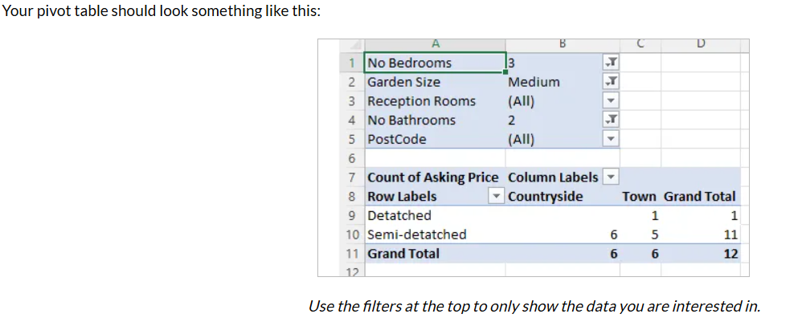

Question -2-->

Question - 2 -->Change your pivot table so that it now shows the average asking price of houses with: The postcode of the property in the rows; The type of property in the columns; and The remaining fields in the filter area. Change the filters to show the average asking price of properties that have: 2 bathrooms; 2 or 3 bedrooms; and which are in the countryside |  | 